606，PP管件
IFAN PIPE AND FITTING-诸暨市风帆管业有限公司（ZHUJI FENGFAN PIPING CO.,LTD)
Affiliated Enterprises：Zhejiang ifan PIPING CO.,LTD 浙江亿帆管业有限公司
ADD： No.18 Xiaguang Road,Jiefang LakeIndustrial Park, Zhuji, Zhejiang, China
Email: www.ifanplus.com Contact Person: IFAN WANG Mobil/WHATSAPP: 008613656666030
6-606，606+101 IFAN PP COMPRESSION FITTING
Code | Name | Pictures | Size | M/Bag | 含税 RMB | FOB RMB | RMB/PCS EXW | G/PCS | CBM
 |  |  |  |  | 163报价 | 163报价 | 163报价
606-1 | Socket A | 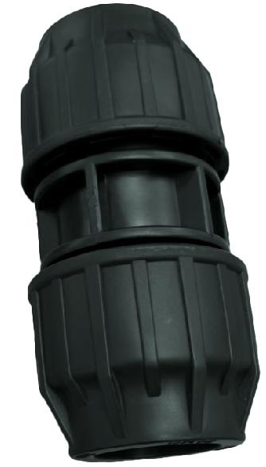 | Φ20 101+606 | 260 | ￥1.31 | ￥1.16 | ￥1.16 | 70 | 0.073
606-2 |  |  | Φ25 101+606 | 160 | ￥1.99 | ￥1.75 | ￥1.75 | 106 | 0.073
606-3 |  |  | Φ32 101+606 | 110 | ￥2.98 | ￥2.62 | ￥2.62 | 159 | 0.073
606-4 |  |  | Φ40 101+606 | 55 | ￥6.48 | ￥5.70 | ￥5.70 | 285 | 0.073
606-5 |  |  | Φ50 101+606 | 35 | ￥10.91 | ￥9.60 | ￥9.60 | 480 | 0.073
606-6 |  |  | Φ63 101+606 | 20 | ￥17.84 | ￥15.70 | ￥15.70 | 785 | 0.073
606-7 |  |  | Φ75 101+6011 | 14 | ￥23.75 | ￥20.90 | ￥20.90 | 950 | 0.073
606-8 |  |  | Φ90 101+6011 | 8 | ￥35.50 | ￥31.24 | ￥31.24 | 1420 | 0.073
606-9 |  |  | Φ110 101+6011 | 5 | ￥61.25 | ￥53.90 | ￥53.90 | 2450 | 0.073
606-10 | Reduce Socket A | 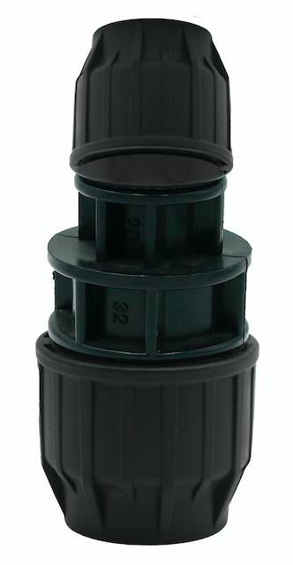 | Φ25X20 101+606 | 140 | ￥2.03 | ￥1.78 | ￥1.78 | 99 | 0.073
606-11 |  |  | Φ32X20 101+606 | 120 | ￥2.81 | ￥2.47 | ￥2.47 | 130 | 0.073
606-12 |  |  | Φ32X25 101+606 | 110 | ￥3.07 | ￥2.70 | ￥2.70 | 150 | 0.073
606-13 |  |  | Φ40X20 101+606 | 90 | ￥4.18 | ￥3.68 | ￥3.68 | 175 | 0.073
606-14 |  |  | Φ40X25 101+606 | 90 | ￥4.53 | ￥3.99 | ￥3.99 | 190 | 0.073
606-15 |  |  | Φ40X32 101+606 | 80 | ￥5.11 | ￥4.50 | ￥4.50 | 225 | 0.073
606-16 |  |  | Φ50X25 101+606 | 40 | ￥9.19 | ￥8.09 | ￥8.09 | 385 | 0.073
606-17 |  |  | Φ50X32 101+606 | 40 | ￥9.26 | ￥8.15 | ￥8.15 | 388 | 0.073
606-18 |  |  | Φ50X40 101+606 | 40 | ￥8.86 | ￥7.80 | ￥7.80 | 390 | 0.073
606-19 |  |  | Φ63X25 101+606 | 22 | ￥15.75 | ￥13.86 | ￥13.86 | 630 | 0.073
606-20 |  |  | Φ63X32 101+606 | 22 | ￥15.75 | ￥13.86 | ￥13.86 | 630 | 0.073
606-21 |  |  | Φ63X40 101+606 | 22 | ￥15.88 | ￥13.97 | ￥13.97 | 635 | 0.073
606-22 |  |  | Φ63X50 101+606 | 22 | ￥16.00 | ￥14.08 | ￥14.08 | 640 | 0.073
606-23 |  |  | Φ75x63 101+6011 | 14 | ￥23.75 | ￥20.90 | ￥20.90 | 950 | 0.073
606-24 |  |  | Φ90x75 101+6011 | 10 | ￥35.50 | ￥31.24 | ￥31.24 | 1420 | 0.073
606-25 |  |  | Φ110x90 101+6011 | 6 | ￥61.25 | ￥53.90 | ￥53.90 | 2450 | 0.073
606-26 | Male Socket A | 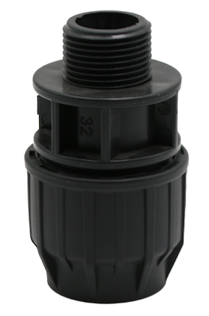 | Φ20x1/2" 101+606 | 350 | ￥0.86 | ￥0.76 | ￥0.76 | 42 | 0.073
606-27 |  |  | S20x3/4M 101+606 | 300 | ￥1.12 | ￥0.99 | ￥0.99 | 47 | 0.073
606-28 |  |  | S20x1M 101+606 | 300 | ￥1.31 | ￥1.15 | ￥1.15 | 50 | 0.073
606-29 |  |  | Φ25x1/2" 101+606 | 260 | ￥1.31 | ￥1.15 | ￥1.15 | 64 | 0.073
606-30 |  |  | Φ25x3/4" 101+606 | 240 | ￥1.43 | ￥1.26 | ￥1.26 | 70 | 0.073
606-31 |  |  | Φ25x1" 101+606 | 240 | ￥1.69 | ￥1.49 | ￥1.49 | 71 | 0.073
606-32 |  |  | Φ25x1-1/4" 101+606 | 200 | ￥2.05 | ￥1.80 | ￥1.80 | 75 | 0.073
606-33 |  |  | Φ25x1-1/2" 101+606 | 180 | ￥2.45 | ￥2.16 | ￥2.16 | 90 | 0.073
606-34 |  |  | S32x1/2M 101+606 | 170 | ￥1.94 | ￥1.71 | ￥1.71 | 95 | 0.073
606-35 |  |  | Φ32x3/4" 101+606 | 160 | ￥1.96 | ￥1.73 | ￥1.73 | 96 | 0.073
606-36 |  |  | Φ32x1" 101+606 | 160 | ￥2.05 | ￥1.80 | ￥1.80 | 100 | 0.073
606-37 |  |  | Φ32x1-1/4" 101+606 | 120 | ￥2.74 | ￥2.42 | ￥2.42 | 105 | 0.073
606-38 |  |  | Φ32x1-1/2" 101+606 | 110 | ￥3.14 | ￥2.76 | ￥2.76 | 115 | 0.073
606-39 |  |  | Φ40x1-1/4" 101+606 | 100 | ￥3.70 | ￥3.26 | ￥3.26 | 163 | 0.073
606-40 |  |  | Φ50x1-1/2" 101+606 | 60 | ￥6.02 | ￥5.30 | ￥5.30 | 265 | 0.073
606-41 |  |  | S50x2M 101+606 | 60 | ￥7.36 | ￥6.48 | ￥6.48 | 270 | 0.073
606-42 |  |  | Φ63x2" 101+606 | 40 | ￥11.25 | ￥9.90 | ￥9.90 | 450 | 0.073
606-43 |  |  | Φ75x2-1/2" 101+6011 | 15 | ￥16.25 | ￥14.30 | ￥14.30 | 650 | 0.073
606-44 |  |  | Φ90x3" 101+6011 | 12 | ￥24.00 | ￥21.12 | ￥21.12 | 960 | 0.073
606-45 |  |  | Φ110x4" 101+6011 | 8 | ￥42.50 | ￥37.40 | ￥37.40 | 1700 | 0.073
606-46 | Female Socket A | 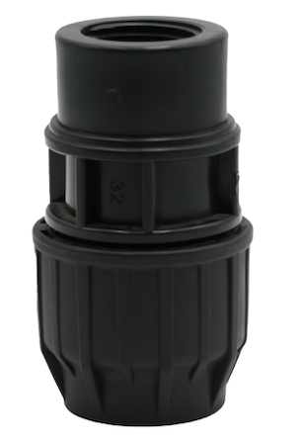 | Φ20x1/2" 101+606 | 320 | ￥1.10 | ￥0.97 | ￥0.97 | 54 | 0.073
606-47 |  |  | Φ20x3/4" 101+606 | 220 | ￥1.70 | ￥1.50 | ￥1.50 | 75 | 0.073
606-48 |  |  | Φ25x1/2" 101+606 | 240 | ￥1.43 | ￥1.26 | ￥1.26 | 70 | 0.073
606-49 |  |  | Φ25x3/4" 101+606 | 220 | ￥1.53 | ￥1.35 | ￥1.35 | 75 | 0.073
606-50 |  |  | Φ25x1" 101+606 | 200 | ￥1.64 | ￥1.44 | ￥1.44 | 80 | 0.073
606-51 |  |  | S32*1/2 101+606 | 180 | ￥2.27 | ￥2.00 | ￥2.00 | 105 | 0.073
606-52 |  |  | Φ32x3/4 " 101+606 | 160 | ￥2.25 | ￥1.98 | ￥1.98 | 110 | 0.073
606-53 |  |  | Φ32x1" 101+606 | 150 | ￥2.45 | ￥2.16 | ￥2.16 | 120 | 0.073
606-54 |  |  | Φ32x1-1/4" 101+606 | 100 | ￥4.13 | ￥3.63 | ￥3.63 | 165 | 0.073
606-55 |  |  | Φ40x1" 101+606 | 100 | ￥4.13 | ￥3.63 | ￥3.63 | 165 | 0.073
606-56 |  |  | Φ40x1-1/4" 101+606 | 100 | ￥3.75 | ￥3.30 | ￥3.30 | 165 | 0.073
606-57 |  |  | Φ50x1-1/4" 101+606 | 70 | ￥7.25 | ￥6.38 | ￥6.38 | 290 | 0.073
606-58 |  |  | Φ50x1-1/2" 101+606 | 60 | ￥6.59 | ￥5.80 | ￥5.80 | 290 | 0.073
606-59 |  |  | Φ63x2" 101+606 | 30 | ￥10.45 | ￥9.20 | ￥9.20 | 460 | 0.073
606-60 |  |  | Φ75x2-1/2" 101+6011 | 50 | ￥13.50 | ￥11.88 | ￥11.88 | 540 | 0.073
606-61 |  |  | Φ90x3" 101+6011 | 12 | ￥27.50 | ￥24.20 | ￥24.20 | 1100 | 0.073
606-62 |  |  | Φ110x4" 101+6011 | 6 | ￥45.00 | ￥39.60 | ￥39.60 | 1800 | 0.073
606-63 | Elbow A | 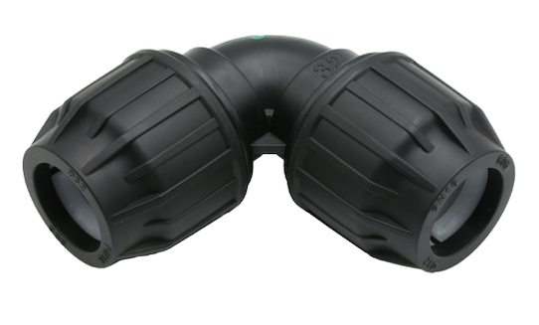 | Φ20 101+606 | 220 | ￥1.37 | ￥1.20 | ￥1.20 | 73 | 0.073
606-64 |  |  | Φ25 101+606 | 150 | ￥2.16 | ￥1.90 | ￥1.90 | 115 | 0.073
606-65 |  |  | Φ32 101+606 | 85 | ￥3.28 | ￥2.89 | ￥2.89 | 175 | 0.073
606-66 |  |  | Φ40 101+606 | 50 | ￥6.82 | ￥6.00 | ￥6.00 | 300 | 0.073
606-67 |  |  | Φ50 101+606 | 30 | ￥11.36 | ￥10.00 | ￥10.00 | 500 | 0.073
606-68 |  |  | Φ63 101+606 | 18 | ￥18.64 | ￥16.40 | ￥16.40 | 820 | 0.073
606-69 |  |  | Φ75 101+6011 | 12 | ￥25.00 | ￥22.00 | ￥22.00 | 1000 | 0.073
606-70 |  |  | Φ90 101+6011 | 8 | ￥41.25 | ￥36.30 | ￥36.30 | 1650 | 0.073
606-71 |  |  | Φ110 101+6011 | 4 | ￥67.50 | ￥59.40 | ￥59.40 | 2700 | 0.073
606-72 | Male Elbow A | 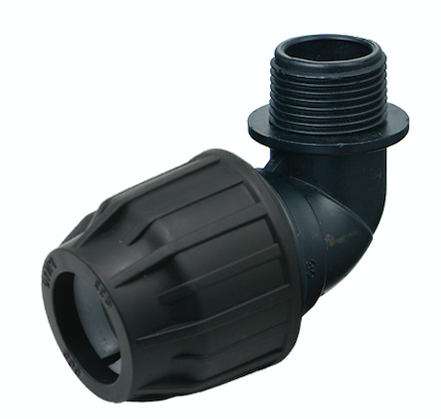 | Φ20x1/2" 101+606 | 400 | ￥0.92 | ￥0.81 | ￥0.81 | 45 | 0.073
606-73 |  |  | Φ20x3/4" 101+606 | 260 | ￥1.53 | ￥1.35 | ￥1.35 | 75 | 0.073
606-74 |  |  | Φ25x1/2" 101+606 | 240 | ￥1.49 | ￥1.31 | ￥1.31 | 73 | 0.073
606-75 |  |  | Φ25x3/4" 101+606 | 260 | ￥1.53 | ￥1.35 | ￥1.35 | 75 | 0.073
606-76 |  |  | Φ32x1/2" 101+606 | 150 | ￥2.29 | ￥2.02 | ￥2.02 | 112 | 0.073
606-77 |  |  | Φ32x3/4" 101+606 | 150 | ￥2.29 | ￥2.02 | ￥2.02 | 112 | 0.073
606-78 |  |  | Φ32x1" 101+606 | 150 | ￥2.05 | ￥1.80 | ￥1.80 | 100 | 0.073
606-79 |  |  | Φ40x1-1/4" 101+606 | 80 | ￥4.59 | ￥4.04 | ￥4.04 | 202 | 0.073
606-80 |  |  | Φ50x1-1/2" 101+606 | 40 | ￥7.55 | ￥6.64 | ￥6.64 | 332 | 0.073
606-81 |  |  | Φ63x2" 101+606 | 30 | ￥13.45 | ￥11.84 | ￥11.84 | 592 | 0.073
606-82 | Female Elbow A | 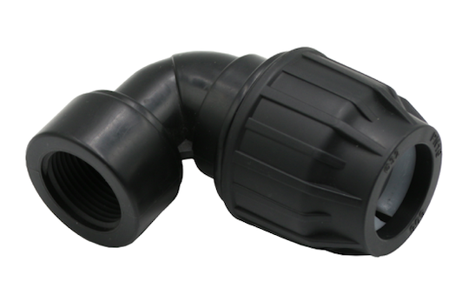 | Φ20x1/2" 101+606 | 340 | ￥1.06 | ￥0.94 | ￥0.94 | 52 | 0.073
606-83 |  |  | Φ20x3/4" 101+606 | 300 | ￥1.27 | ￥1.12 | ￥1.12 | 62 | 0.073
606-84 |  |  | Φ25x1/2" 101+606 | 200 | ￥1.64 | ￥1.44 | ￥1.44 | 80 | 0.073
606-85 |  |  | Φ25x3/4" 101+606 | 200 | ￥1.74 | ￥1.53 | ￥1.53 | 85 | 0.073
606-86 |  |  | Φ25x1" 101+606 | 200 | ￥1.94 | ￥1.71 | ￥1.71 | 95 | 0.073
606-87 |  |  | Φ32x1/2" 101+606 | 140 | ￥2.35 | ￥2.07 | ￥2.07 | 115 | 0.073
606-88 |  |  | Φ32x3/4" 101+606 | 130 | ￥2.35 | ￥2.07 | ￥2.07 | 115 | 0.073
606-89 |  |  | Φ32x1" 101+606 | 130 | ￥2.56 | ￥2.25 | ￥2.25 | 125 | 0.073
606-90 |  |  | Φ40x1-1/4" 101+606 | 80 | ￥5.14 | ￥4.52 | ￥4.52 | 226 | 0.073
606-91 |  |  | Φ50x1-1/2" 101+606 | 40 | ￥9.57 | ￥8.42 | ￥8.42 | 421 | 0.073
606-92 |  |  | Φ63x2" 101+606 | 25 | ￥16.18 | ￥14.24 | ￥14.24 | 712 | 0.073
606-93 | Tee A | 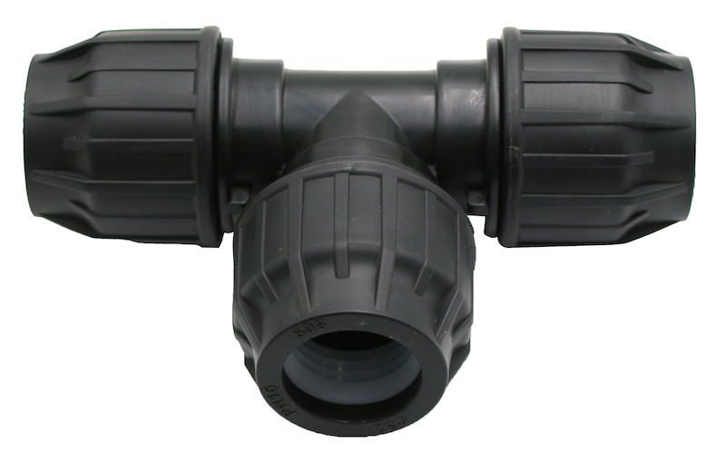 | Φ20 101+606 | 140 | ￥2.03 | ￥1.78 | ￥1.78 | 108 | 0.073
606-94 |  |  | Φ25 101+606 | 80 | ￥3.28 | ￥2.89 | ￥2.89 | 175 | 0.073
606-95 |  |  | Φ32 101+606 | 60 | ￥4.97 | ￥4.37 | ￥4.37 | 265 | 0.073
606-96 |  |  | Φ40 101+606 | 30 | ￥10.23 | ￥9.00 | ￥9.00 | 450 | 0.073
606-97 |  |  | Φ50 101+606 | 18 | ￥17.05 | ￥15.00 | ￥15.00 | 750 | 0.073
606-98 |  |  | Φ63 101+606 | 10 | ￥28.41 | ￥25.00 | ￥25.00 | 1250 | 0.073
606-99 |  |  | Φ75 101+6011 | 8 | ￥46.81 | ￥41.19 | ￥41.19 | 1872 | 0.073
606-100 |  |  | Φ90 101+6011 | 4 | ￥58.75 | ￥51.70 | ￥51.70 | 2350 | 0.073
606-101 |  |  | Φ110 101+6011 | 2 | ￥111.25 | ￥97.90 | ￥97.90 | 4450 | 0.073
606-102 | Reduced Tee A | 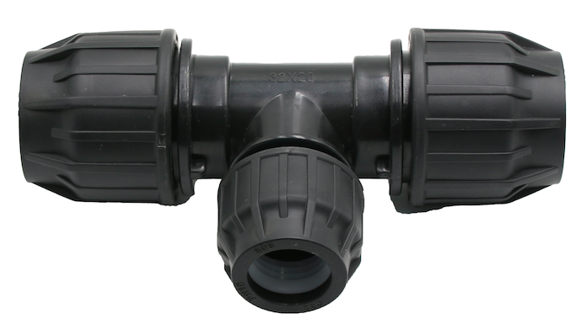 | Φ25x20x25 101+606 | 90 | ￥3.33 | ￥2.93 | ￥2.93 | 163 | 0.073
606-103 |  |  | Φ32x20x32 101+606 | 70 | ￥4.89 | ￥4.30 | ￥4.30 | 215 | 0.073
606-104 |  |  | Φ32x25x32 101+606 | 60 | ￥4.70 | ￥4.14 | ￥4.14 | 230 | 0.073
606-105 |  |  | Φ40x25x40 101+606 | 40 | ￥9.50 | ￥8.36 | ￥8.36 | 380 | 0.073
606-106 |  |  | Φ40x32x40 101+606 | 40 | ￥8.77 | ￥7.72 | ￥7.72 | 386 | 0.073
606-107 |  |  | Φ50x25x50 101+606 | 20 | ￥18.05 | ￥15.88 | ￥15.88 | 722 | 0.073
606-108 |  |  | Φ50x32x50 101+606 | 20 | ￥18.05 | ￥15.88 | ￥15.88 | 722 | 0.073
606-109 |  |  | Φ50x40x50 101+606 | 20 | ￥18.05 | ￥15.88 | ￥15.88 | 722 | 0.073
606-110 |  |  | Φ63x25x63 101+606 | 10 | ￥29.30 | ￥25.78 | ￥25.78 | 1172 | 0.073
606-111 |  |  | Φ63x32x63 101+606 | 10 | ￥29.30 | ￥25.78 | ￥25.78 | 1172 | 0.073
606-112 |  |  | Φ63x40x63 101+606 | 10 | ￥29.30 | ￥25.78 | ￥25.78 | 1172 | 0.073
606-113 |  |  | Φ63x50x63 101+606 | 10 | ￥26.64 | ￥23.44 | ￥23.44 | 1172 | 0.073
606-114 | Female Tee A | 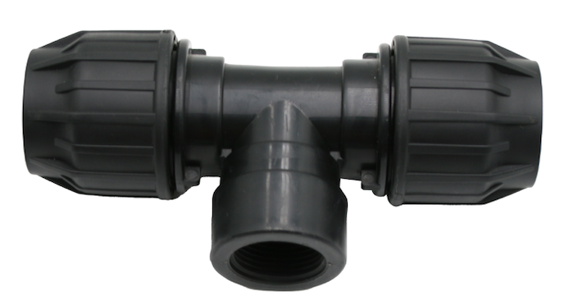 | Φ20x1/2" 101+606 | 160 | ￥1.84 | ￥1.62 | ￥1.62 | 90 | 0.073
606-115 |  |  | Φ20x3/4" 101+606 | 100 | ￥3.50 | ￥3.08 | ￥3.08 | 140 | 0.073
606-116 |  |  | Φ25x1/2" 101+606 | 110 | ￥2.76 | ￥2.43 | ￥2.43 | 135 | 0.073
606-117 |  |  | Φ25x3/4" 101+606 | 100 | ￥2.86 | ￥2.52 | ￥2.52 | 140 | 0.073
606-118 |  |  | Φ25x1" 101+606 | 100 | ￥4.09 | ￥3.60 | ￥3.60 | 200 | 0.073
606-119 |  |  | Φ32x1/2" 101+606 | 100 | ￥4.09 | ￥3.60 | ￥3.60 | 200 | 0.073
606-120 |  |  | Φ32x3/4" 101+606 | 80 | ￥3.89 | ￥3.42 | ￥3.42 | 190 | 0.073
606-121 |  |  | Φ32x1" 101+606 | 60 | ￥4.30 | ￥3.78 | ￥3.78 | 210 | 0.073
606-122 |  |  | Φ40x1-1/4" 101+606 | 40 | ￥8.34 | ￥7.34 | ￥7.34 | 367 | 0.073
606-123 |  |  | Φ50x1-1/2" 101+606 | 25 | ￥13.41 | ￥11.80 | ￥11.80 | 590 | 0.073
606-124 |  |  | Φ63x2" 101+606 | 15 | ￥22.18 | ￥19.52 | ￥19.52 | 976 | 0.073
606-125 | Male Tee A | 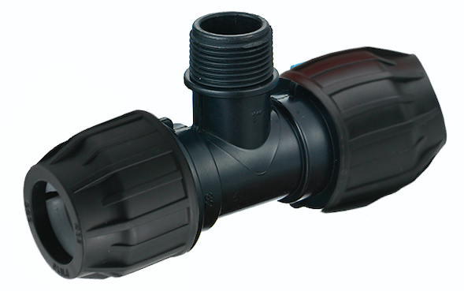 | Φ20x1/2" 101+606 | 150 | ￥1.66 | ￥1.46 | ￥1.46 | 81 | 0.073
606-126 |  |  | Φ20x3/4" 101+606 | 150 | ￥1.80 | ￥1.58 | ￥1.58 | 88 | 0.073
606-127 |  |  | Φ25x1/2" 101+606 | 100 | ￥2.56 | ￥2.25 | ￥2.25 | 125 | 0.073
606-128 |  |  | Φ25x3/4" 101+606 | 90 | ￥2.70 | ￥2.38 | ￥2.38 | 132 | 0.073
606-129 |  |  | Φ32x1/2" 101+606 | 90 | ￥3.89 | ￥3.42 | ￥3.42 | 190 | 0.073
606-130 |  |  | Φ32x3/4" 101+606 | 70 | ￥3.89 | ￥3.42 | ￥3.42 | 190 | 0.073
606-131 |  |  | Φ32x1" 101+606 | 50 | ￥3.89 | ￥3.42 | ￥3.42 | 190 | 0.073
606-132 |  |  | Φ40x1-1/4" 101+606 | 40 | ￥7.55 | ￥6.64 | ￥6.64 | 332 | 0.073
606-133 |  |  | Φ50x1-1/2" 101+606 | 25 | ￥14.36 | ￥12.64 | ￥12.64 | 632 | 0.073
606-134 |  |  | Φ63x2" 101+606 | 15 | ￥23.00 | ￥20.24 | ￥20.24 | 1012 | 0.073
606-135 | Plug A | 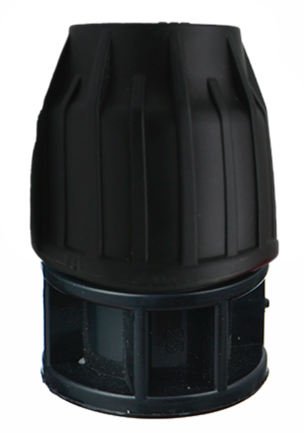 | Φ20 101+606 | 380 | ￥0.92 | ￥0.81 | ￥0.81 | 45 | 0.073
606-136 |  |  | Φ25 101+606 | 260 | ￥1.33 | ￥1.17 | ￥1.17 | 65 | 0.073
606-137 |  |  | Φ32 101+606 | 180 | ￥1.96 | ￥1.73 | ￥1.73 | 96 | 0.073
606-138 |  |  | Φ40 101+606 | 100 | ￥3.52 | ￥3.10 | ￥3.10 | 155 | 0.073
606-139 |  |  | Φ50 101+606 | 70 | ￥5.91 | ￥5.20 | ￥5.20 | 260 | 0.073
606-140 |  |  | Φ63 101+606 | 40 | ￥10.18 | ￥8.96 | ￥8.96 | 448 | 0.073
606-141 |  |  | Φ75 101 WX | 30 | ￥17.81 | ￥15.67 | ￥15.67 | 712 | 0.073
606-142 |  |  | Φ90 101 WX | 20 | ￥26.32 | ￥23.16 | ￥23.16 | 1053 | 0.073
606-143 |  |  | Φ110 101 WX | 10 | ￥54.67 | ￥48.11 | ￥48.11 | 2187 | 0.073
606-144 | Equal Valve A | 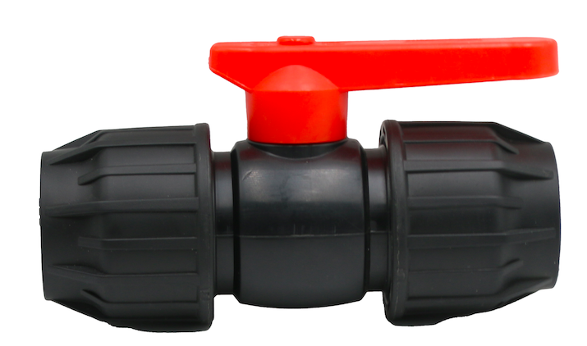 | 20 × 20 101+606 | 120 | ￥3.87 | ￥3.41 | ￥3.41 | 131 | 0.073
606-145 |  |  | 25 × 25 101+606 | 100 | ￥5.55 | ￥4.89 | ￥4.89 | 188 | 0.073
606-146 |  |  | 32 × 32 101+606 | 70 | ￥8.42 | ￥7.41 | ￥7.41 | 285 | 0.073
606-147 |  |  | 40 × 40 101+606 | 36 | ￥20.06 | ￥17.65 | ￥17.65 | 679 | 0.073
606-148 |  |  | 50 × 50 101+606 | 22 | ￥30.88 | ￥27.17 | ￥27.17 | 1045 | 0.073
606-149 |  |  | 63 × 63 101+606 | 12 | ￥51.00 | ￥44.88 | ￥44.88 | 1726 | 0.073

